Dashboard
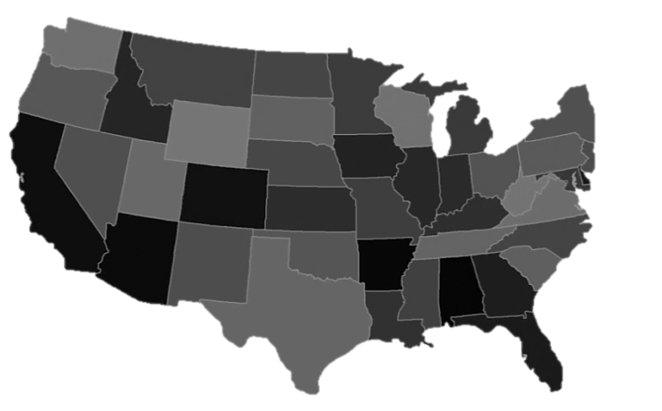

 | Total Migrants
Total Migrants | 7070345
 | Alabama |  | Alaska |  | Arizona |  | Arkansas |  | California |  | Colorado |  | Connecticut |  | Delaware |  | District of Columbia |  | Florida |  | Georgia |  | Hawaii
19 | -14 | 7 | -18 | 6 | -11 | 16 | -12 | 2 | -8 | 10 | -9 | 25 | -6 | 24 | -8 | 23 | -8 | 22 | -16 | 21 | -13 | 3 | -19
STATE :
U.S. MIGRATION DASHBOARD

2010 | 56052
2011 | 49732
2012 | 59513
2010 | 305628607
2011 | 307900319
2012 | 310212755
2010 | 6743229
2011 | 6987416
2012 | 7070345
Migration Destination :
Population 1 Year and Over
Total Migrant

Migrate
(Different State)
Stay
(Same Residence)
Different Residence
Same State

 | 0.022791922273
 | 0.97720807773
Administrasi (20%) | 0.022791922273
3,37
good
 | 0.8497800034
 | 0.1502199966
Administrasi (20%) | 0.8497800034
3,37
good
 | 0.12151852686
 | 0.87848147314
 | 0.12151852686

2010 | 6743229
2011 | 6987416
2012 | 7070345
2010 | 258552348
2011 | 261087925
2012 | 263612596
2010 | 38582885
2011 | 37998701
2012 | 37696597

SUMMARY
AL | 108723
AK | 36326
AZ | 222725
AR | 79127
CA | 444749
CO | 186366
CT | 77333
DE | 30759
DC | 51244
FL | 482889
GA | 249459
HI | 53581
ID | 55638
IL | 203959
IN | 127353
IA | 72557
KS | 95059
KY | 118443
LA | 97889
ME | 27758
MD | 164484
MA | 140162
MI | 116149
MN | 89872
MS | 72321
MO | 145226
MT | 35630
NE | 51290
NV | 102677
NH | 39367
NJ | 127369
NM | 73605
NY | 269427
NC | 263256
ND | 30100
OH | 172633
OK | 106511
OR | 116700
PA | 235580
RI | 32059
SC | 152441
SD | 25777
TN | 159778
TX | 486558
UT | 77780
VT | 22529
VA | 259507
WA | 191784
WV | 39609
WI | 93065
...

