v1
3 Variables in a Single Graph

 | 2011 | 2011 | 2011 | 2011 | 2011 | 2012 | 2012 | 2012 | 2012 | 2012 | 2013 | 2013 | 2013 | 2013 | 2013 | 2014 | 2014 | 2014 | 2014 | 2014 | 2015 | 2015 | 2015 | 2015
Other variable cost | 15 | 16 | 11 | 23 | 0 | 18 | 17 | 9 | 25 | 0 | 22 | 18 | 13 | 26 | 0 | 20 | 19 | 12 | 30 | 0 | 19 | 18 | 11 | 29
Power & Fuel | 23 | 23 | 23 | 30 | 0 | 21 | 24 | 24 | 24 | 0 | 21 | 21 | 22 | 20 | 0 | 21 | 20 | 23 | 21 | 0 | 20 | 21 | 22 | 21
Freight & Forwarding | 20 | 22 | 23 | 20 | 0 | 20 | 20 | 23 | 19 | 0 | 21 | 21 | 25 | 21 | 0 | 22 | 23 | 24 | 22 | 0 | 23 | 24 | 27 | 22
Fixed Cost | 27 | 24 | 25 | 19 | 0 | 26 | 22 | 25 | 20 | 0 | 29 | 22 | 27 | 19 | 0 | 29 | 24 | 27 | 19 | 0 | 30 | 24 | 30 | 18
Profit | 15 | 17 | 18 | 8 | 0 | 15 | 17 | 19 | 12 | 0 | 7 | 8 | 13 | 14 | 0 | 8 | 9 | 14 | 8 | 0 | 8 | 9 | 10 | 10

 | 0 | 120
Divider1 | 5 | 5
Divider2 | 10 | 10
Divider3 | 15 | 15
Divider4 | 20 | 20

v2
3 Variables in a Single Graph

ACC Ltd | ACC Ltd | Ultratech | Ambuja | JK Lakshmi
Other variable cost | 15 | 16 | 11 | 23 | 18 | 17 | 9 | 25 | 22 | 18 | 13 | 26 | 20 | 19 | 12 | 30 | 19 | 18 | 11 | 29
Power & Fuel | 23 | 23 | 23 | 30 | 21 | 24 | 24 | 24 | 21 | 21 | 22 | 20 | 21 | 20 | 23 | 21 | 20 | 21 | 22 | 21
Freight & Forwarding | 20 | 22 | 23 | 20 | 20 | 20 | 23 | 19 | 21 | 21 | 25 | 21 | 22 | 23 | 24 | 22 | 23 | 24 | 27 | 22
Fixed Cost | 27 | 24 | 25 | 19 | 26 | 22 | 25 | 20 | 29 | 22 | 27 | 19 | 29 | 24 | 27 | 19 | 30 | 24 | 30 | 18
Profit | 15 | 17 | 18 | 8 | 15 | 17 | 19 | 12 | 7 | 8 | 13 | 14 | 8 | 9 | 14 | 8 | 8 | 9 | 10 | 10

 | 0 | 35
Divider1 | 4.5 | 4.5
Divider2 | 8.5 | 8.5
Divider3 | 12.5 | 12.5
Divider4 | 16.5 | 16.5

v3
3 Variables in a Single Graph

 | 2011 |  |  |  | 2015 | 2011 |  |  |  | 2015 | 2011 |  |  |  | 2015 | 2011 |  |  |  | 2015
Other variable cost | 15 | 18 | 22 | 20 | 19 | 16 | 17 | 18 | 19 | 18 | 11 | 9 | 13 | 12 | 11 | 23 | 25 | 26 | 30 | 29
Power & Fuel | 23 | 21 | 21 | 21 | 20 | 23 | 24 | 21 | 20 | 21 | 23 | 24 | 22 | 23 | 22 | 30 | 24 | 20 | 21 | 21
Freight & Forwarding | 20 | 20 | 21 | 22 | 23 | 22 | 20 | 21 | 23 | 24 | 23 | 23 | 25 | 24 | 27 | 20 | 19 | 21 | 22 | 22
Fixed Cost | 27 | 26 | 29 | 29 | 30 | 24 | 22 | 22 | 24 | 24 | 25 | 25 | 27 | 27 | 30 | 19 | 20 | 19 | 19 | 18
Profit | 15 | 15 | 7 | 8 | 8 | 17 | 17 | 8 | 9 | 9 | 18 | 19 | 13 | 14 | 10 | 8 | 12 | 14 | 8 | 10

v4
3 Variables in a Single Graph

 | 2011 |  |  |  | 2015 | 2011 |  |  |  | 2015 | 2011 |  |  |  | 2015 | 2011 |  |  |  | 2015
Other variable cost | 15 | 18 | 22 | 20 | 19 | 16 | 17 | 18 | 19 | 18 | 11 | 9 | 13 | 12 | 11 | 23 | 25 | 26 | 30 | 29
Power & Fuel | 23 | 21 | 21 | 21 | 20 | 23 | 24 | 21 | 20 | 21 | 23 | 24 | 22 | 23 | 22 | 30 | 24 | 20 | 21 | 21
Freight & Forwarding | 20 | 20 | 21 | 22 | 23 | 22 | 20 | 21 | 23 | 24 | 24 | 23 | 25 | 24 | 27 | 20 | 19 | 21 | 22 | 22
Fixed Cost | 27 | 26 | 29 | 29 | 30 | 24 | 22 | 22 | 24 | 24 | 25 | 25 | 27 | 27 | 30 | 19 | 20 | 19 | 19 | 18
Profit | 15 | 15 | 7 | 8 | 8 | 17 | 17 | 8 | 9 | 9 | 18 | 19 | 13 | 14 | 10 | 8 | 12 | 14 | 8 | 10

 | 0 | 35
Divider1 | 5.5 | 5.5
Divider2 | 10.5 | 10.5
Divider3 | 15.5 | 15.5

Graph_jpgs
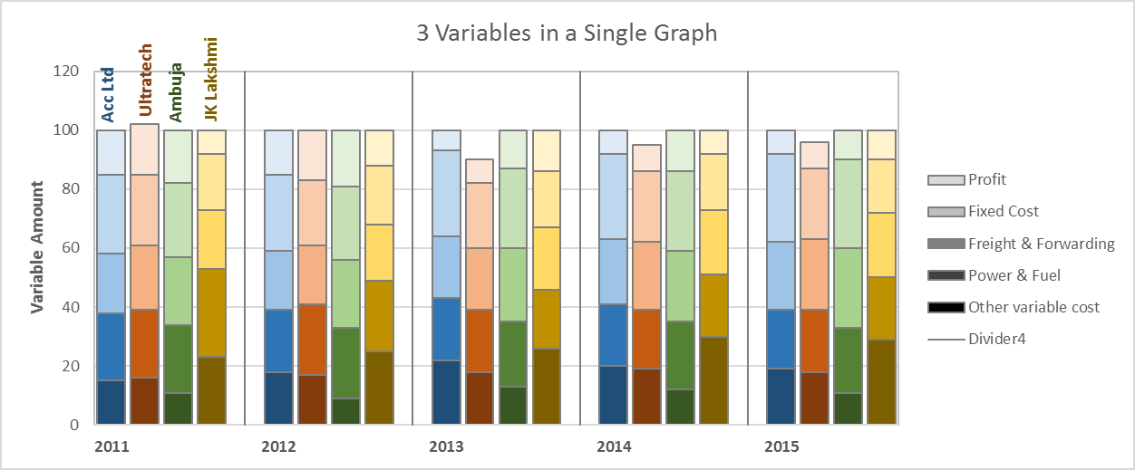
V1

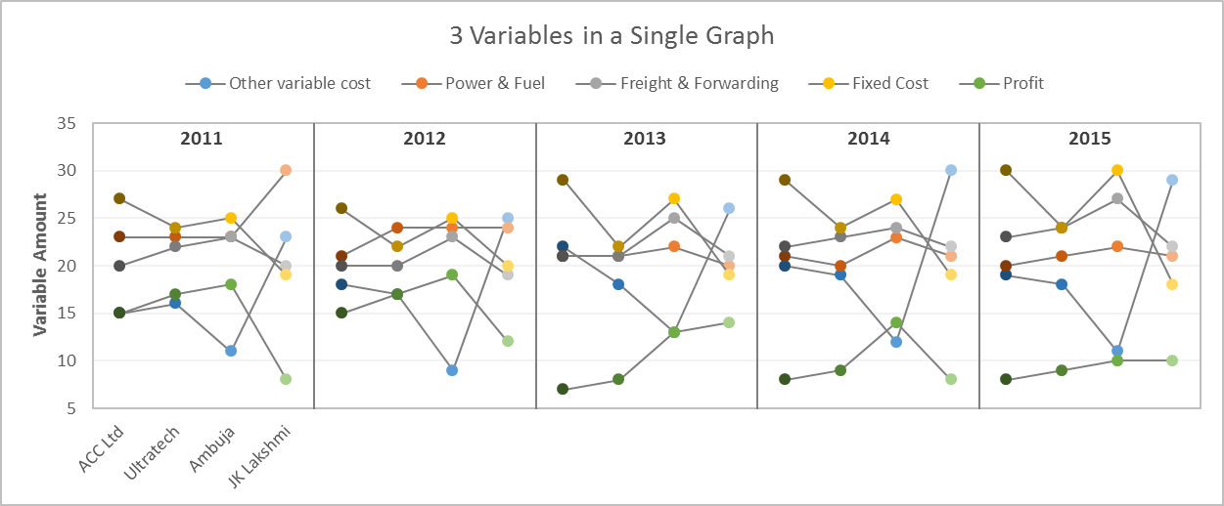
V2

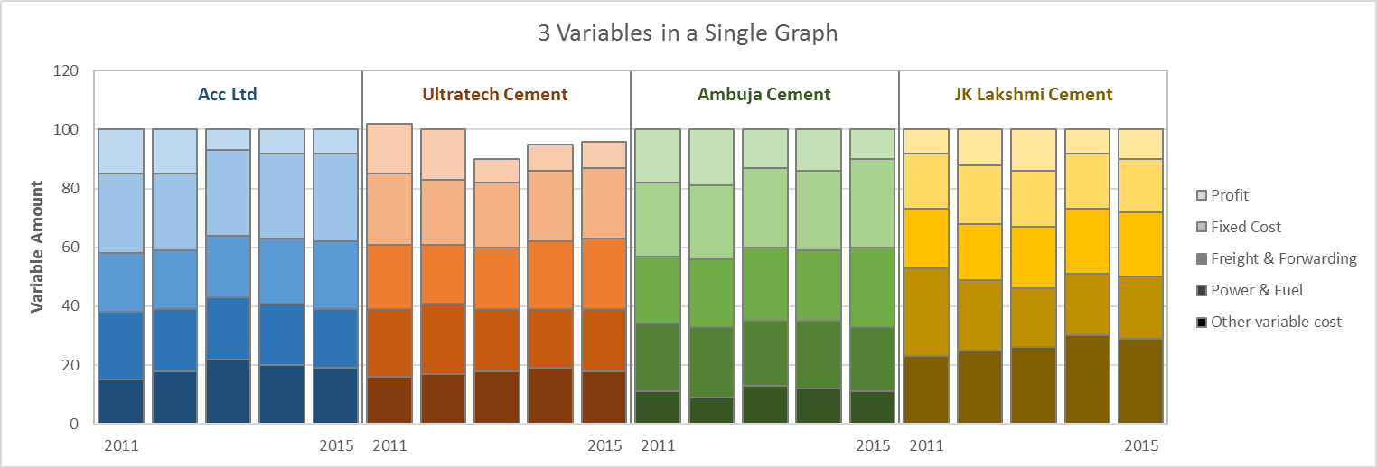
V3

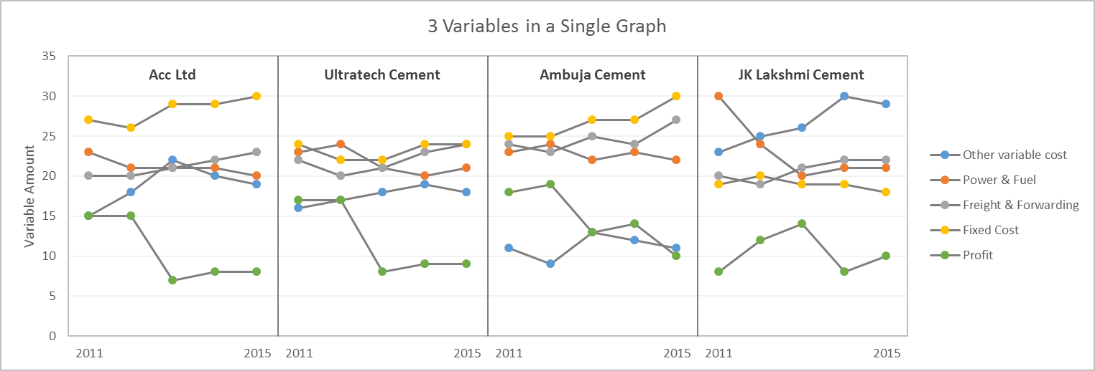
V4

