Road trip
 | End
0.4 | 1.15
1.15 | 1.95
Our Road Trip
Made by
Chandoo.org
Monday 24, June
Scroll
Drive to Waynesboro
Pick up the rental car. Drive to Waynesboro by evening. Stop a few times and enjoy the scenery.
Road trip details and Excel workbook
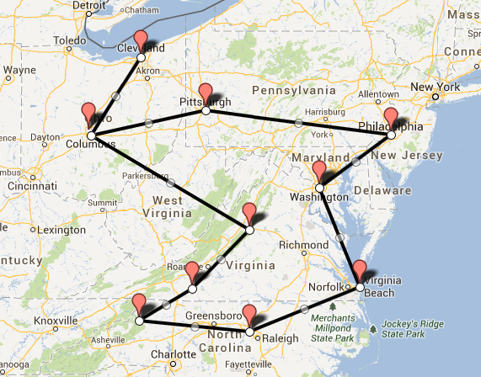
 | Free Newsletter

