CP002 Example
CP002: 5 Excel Lookup Functions Demystified

Data |  |  |  | LOOKUP Examples |  | Resources to learn more

Name | Experience | Department | Bonus $ | Question | What is the bonus of John? | 1 | Comprehensive Guide to LOOKUP formulas in Excel
John | 5 | Marketing | $12,000 | Answer | 12000 | 2 | VLOOKUP Cheatsheet
Maria | 10 | HR | $14,000 | Formula | =VLOOKUP("John",$B$6:$E$13,4,FALSE) | 3 | Excel VLOOKUP Quiz
Matt | 2 | Operations | $11,000 |  |  | 4 | The VLOOKUP Book
Introducing The VLOOKUP Book written by Chandoo
Jason | 6 | Finance | $15,000 | Question | What is the department of Stella?
Joshua | 10 | Sales | $13,000 | Answer | Marketing
Stella | 3 | Marketing | $15,000 | Formula | =VLOOKUP("Stella",$B$6:$E$13,3,FALSE)
Mary | 3 | Operations | $9,000
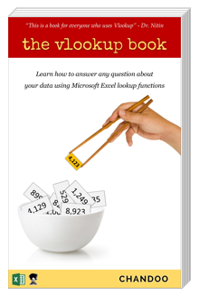
Answer any question using
Excel lookup formulas
Reviews on Amazon:
"Comprehensive and easy to understand" *****
"Solid introduction to lookup functions" *****
Cynthia | 9 | Finance | $8,000 | Question | What is the experience of Sam?
 |  |  |  | Answer | #N/A
 |  |  |  | Formula | =VLOOKUP("Sam",$B$6:$E$13,2,FALSE)

 |  |  |  | Question | Who is getting the bonus of $13,000?
 |  |  |  | Answer | Joshua
 |  |  |  | Formula | =INDEX($B$6:$B$13,MATCH(13000,$E$6:$E$13,0))

Get your copy
 |  |  |  | Question | Who has most experience?
 |  |  |  | Answer | Maria
 |  |  |  | Formula | =INDEX($B$6:$B$13,MATCH(MAX($C$6:$C$13),$C$6:$C$13,0))

