Illustration
Illustration to understand each part of the dashboard
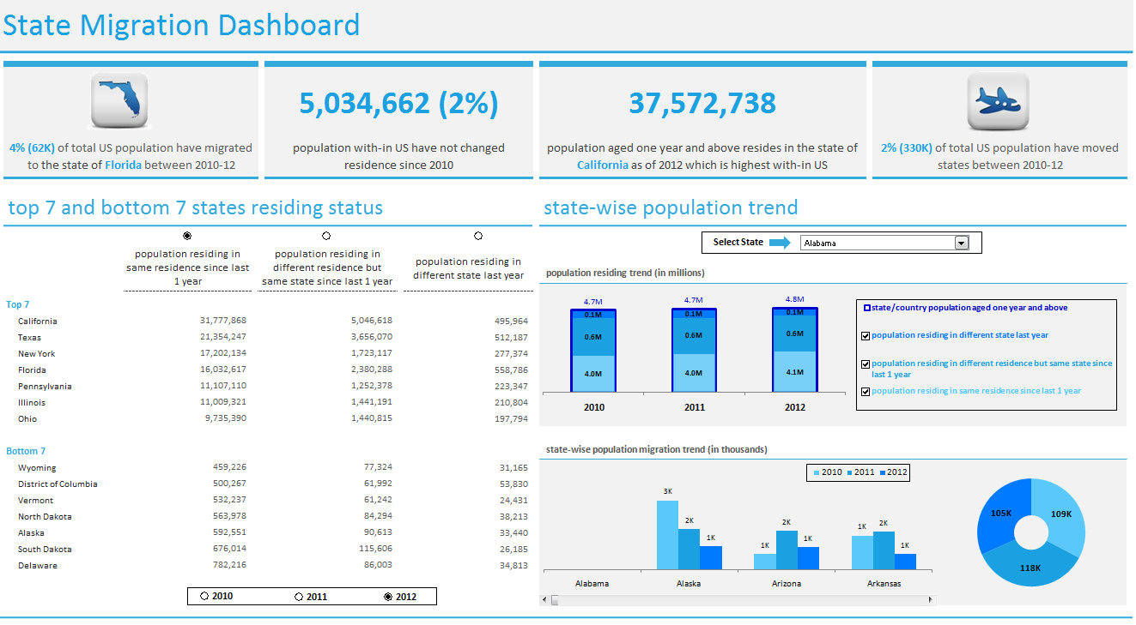
1
2
3
b
a
a
b
c
 | 1. | This section covers interesting facts and figures about the different states with in US as per the population trend data

 | 2. | This section covers top 7 and bottom 7 states residing status
 |  | (a) Select the radio button placed besides the year to sort the data as per the scenario and year combination

 |  | (b) Select the radio button placed above each scenario and it will sort the data as per the selected scenario

 | 3. | This section covers state-wise population trend
 |  | (a) select the state for which you want to view the data
 |  | (b) select scenario, and the graph will display population residing trend for each year
 |  | (c) the donut graph displays the total population migration trend for the state selected in section (a) for each year and the bar graph represents the population migrated from each state to the state selected in section (a)

Dashboard
State Migration Dashboard



 |  |  |  | 5,034,662 (2%) |  | 37,572,738

 | 4% (62K) of total US population have migrated to the state of Florida between 2010-12 |  |  | population with-in US have not changed residence since 2010 |  | population aged one year and above resides in the state of California as of 2012 which is highest with-in US | 2% (330K) of total US population have moved states between 2010-12

 | top 7 and bottom 7 states residing status |  |  |  |  | state-wise population trend
Select State
 | state/country population aged one year and above | population residing in same residence since last 1 year | population residing in different residence but same state since last 1 year | population residing in different state last year
2010 | 4.7M | 4.0M | 0.6M | 0.1M
2011 | 4.7M | 4.0M | 0.6M | 0.1M
2012 | 4.8M | 4.1M | 0.6M | 0.1M
population residing trend (in millions)
 |  | population residing in same residence since last 1 year | population residing in different residence but same state since last 1 year |  | population residing in different state last year

 | Top 7
 | California | 31,777,868 | 5,046,618 |  | 495,964
 | Texas | 21,354,247 | 3,656,070 |  | 512,187
 | New York | 17,202,134 | 1,723,117 |  | 277,374
 | Florida | 16,032,617 | 2,380,288 |  | 558,786
 | Pennsylvania | 11,107,110 | 1,252,378 |  | 223,347
 | Illinois | 11,009,321 | 1,441,191 |  | 210,804
 | Ohio | 9,735,390 | 1,440,815 |  | 197,794
state-wise population migration trend (in thousands)
 | 2010 | 2011 | 2012
Alabama | 0K | 0K | 0K
Alaska | 3K | 2K | 1K
Arizona | 1K | 2K | 1K
Arkansas | 1K | 2K | 1K
 | 109K
 | 118K
 | 105K
 | Bottom 7
 | Wyoming | 459,226 | 77,324 |  | 31,165
 | District of Columbia | 500,267 | 61,992 |  | 53,830
 | Vermont | 532,237 | 61,242 |  | 24,431
 | North Dakota | 563,978 | 84,294 |  | 38,213
 | Alaska | 592,551 | 90,613 |  | 33,440
 | South Dakota | 676,014 | 115,606 |  | 26,185
 | Delaware | 782,216 | 86,003 |  | 34,813
2010
2011
2012

